WireFrame
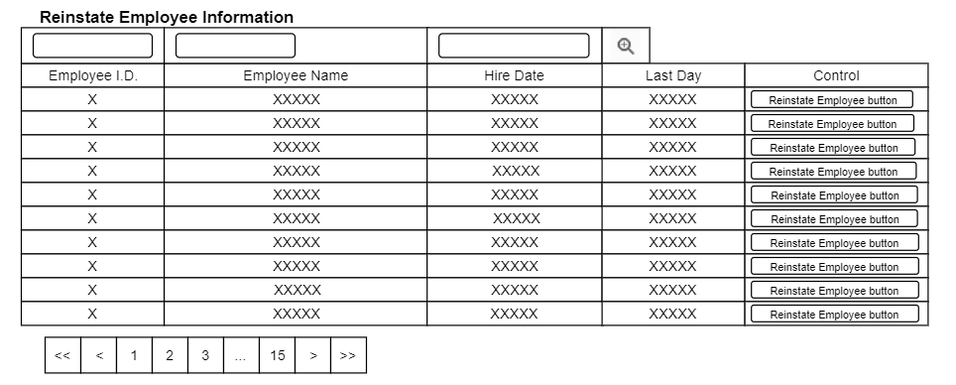
Title | List View Design
Design Type | List
List Title | Reinstate Employee List

